PI
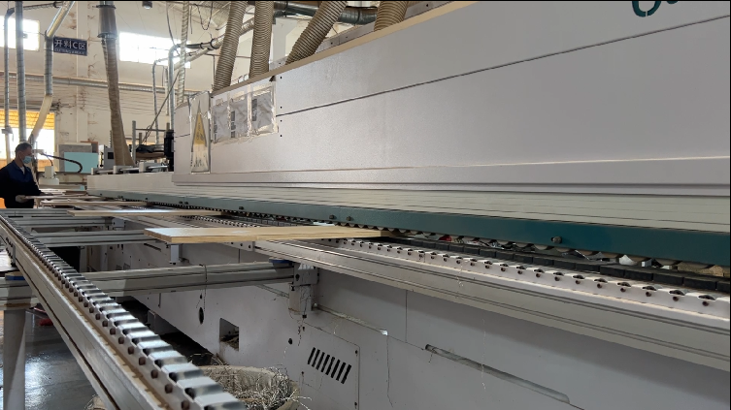 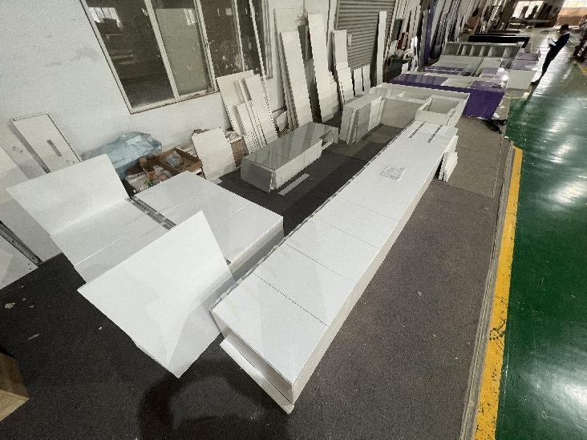 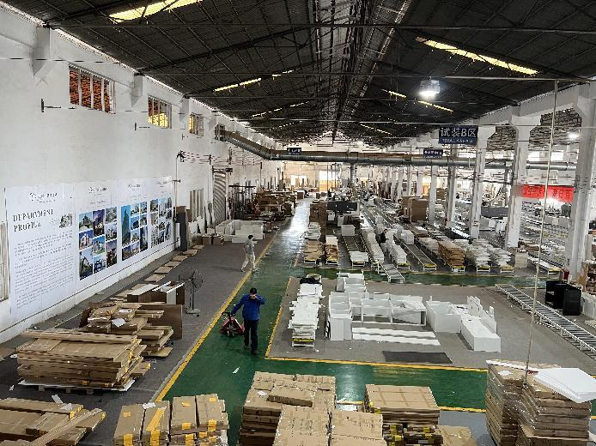 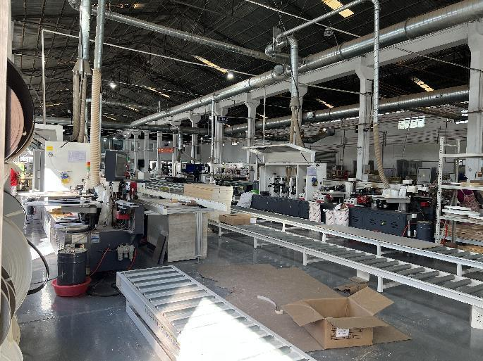 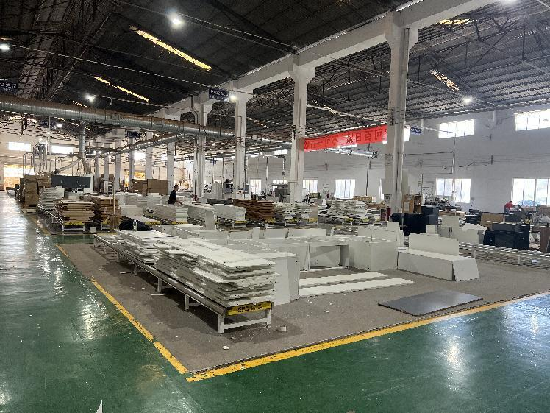
Customer |  |  |  | Customer Country
Email |  |  |  | Moblie Number
Quote Date |  |  |  | Valid until
Order NO |  |  |  | Sales |  | Grace
Date of order |  |  |  | Date of deliver |  | 30 to 35 days for production after confirmed
Proforma invoice
Summary
No. | Product Type |  | Unit Price(USD) |  | Quantity(set) | Total Price(USD) |  | Remarks
1 | Kitchen |  | $8,900.00 |  | 1 | $8,900.00 |  | Price includes 1. Three-year warranty 2. Wooden pallet 3. 10% additional large board and hardware
 | Totally(USD) |  |  |  | 1 | $9,100.00
No | Space | Reference Picture | Descriptions | Quantity(SET) | Unit Price(USD) | Amount of Each Products(USD) | Amount(USD) | Specifications
1-Kitchen (H:2900mm) (Carcass：Melamine with plywood+Door：Melamine with plywood+countertop：Sintered stone)
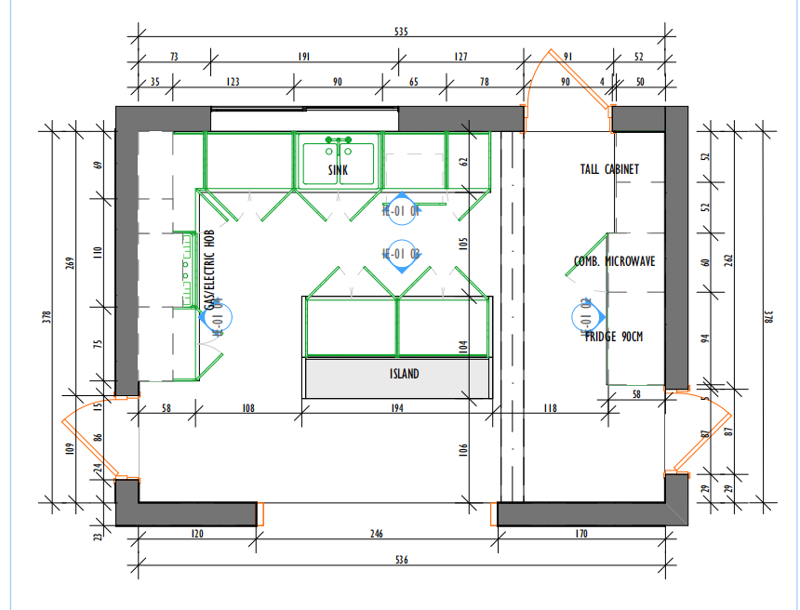 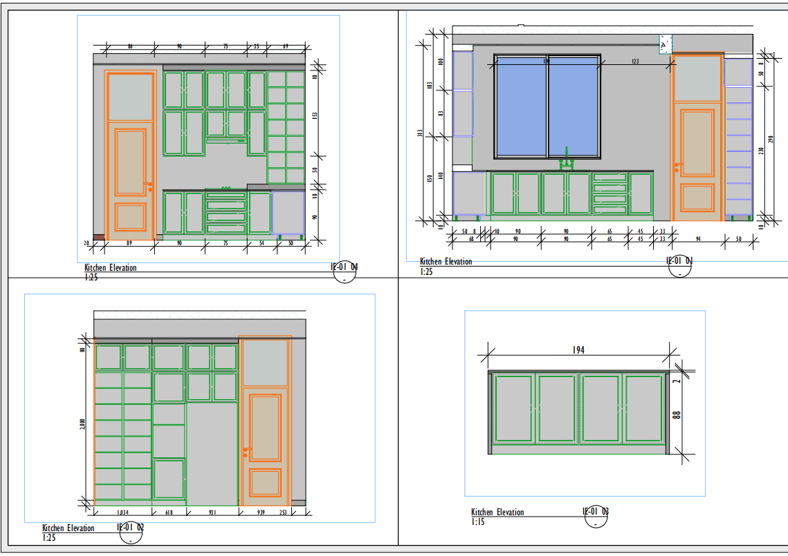
1 | Kitchen | 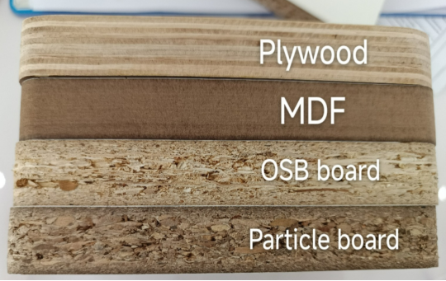 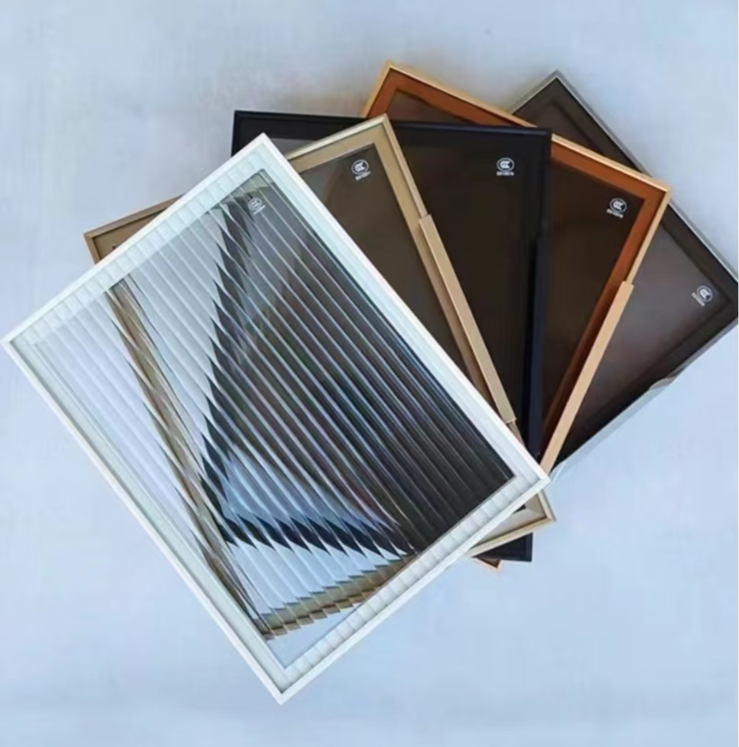 | cabinets Base cabinet : W6600 H900 D600 wall cabinet : W2700 H1300 D350 tall cabinet : W1600 H2900 D600/ W1000 H2900 D600(glass) island cabinet : W2000 H900 D750 | 1 | $4,367.85 | $4,367.85 | $8,900.00 | Kitchen 1) carcass: European Grade E0 plywood faced by melamine finish Thickness:18mm 2) door : European Grade E0 plywood faced by melamine finish/aluminum with tempered glass Thickness:18mm 3) countertop: Sintered stone Thickness: 12mm standard front skirt: H50mm 4) hardware: Chinese brand soft closing hardwares Drawer: 12sets 5) functional accessories: 1. Sink and tap: 1set 2. LED Light Strip: 7m *under wall cabinets
2 |  | 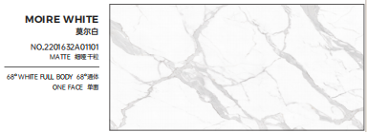 | countertop & Backsplash(50mm&700mm) | 1 | $2,657.55 | $2,657.55
3 |  | 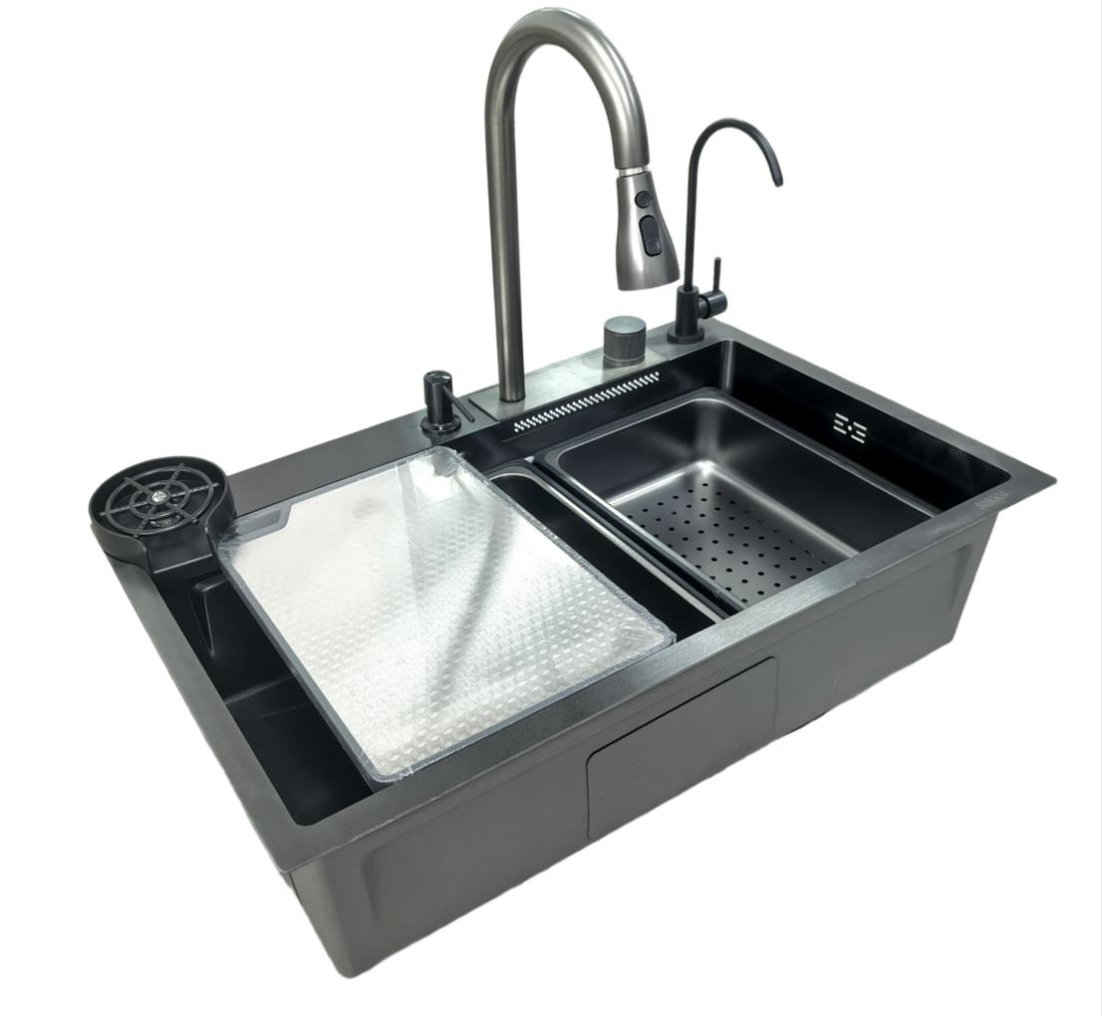 | Sink and tap | 1 | $256.00 | $256.00
4 |  | 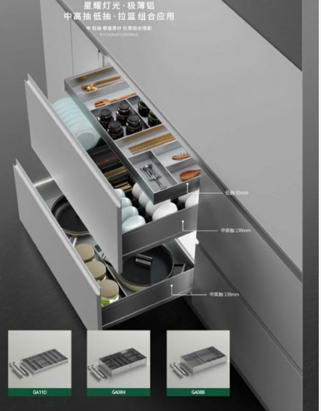 | basket | 1 | $307.00 | $307.00 |  | 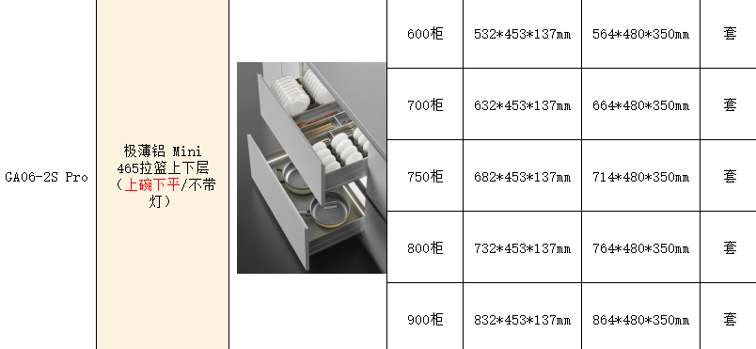
5 |  | 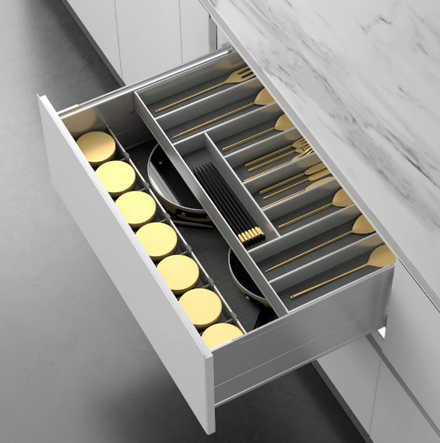 | basket | 1 | $189.00 | $189.00
6 |  | 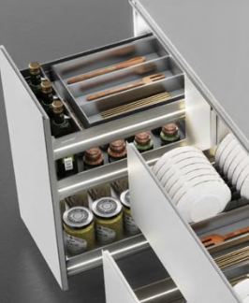 | spicy basket | 1 | $147.80 | $147.80 |  | 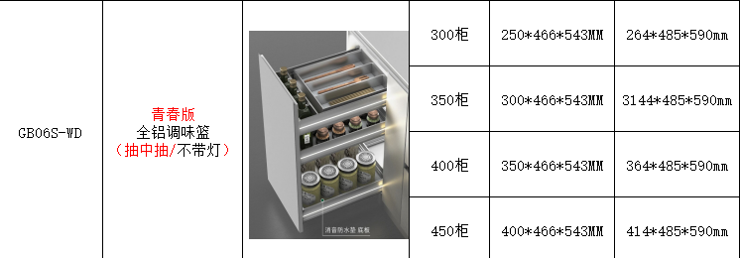
7 |  | 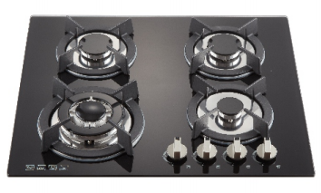 | stove | 1 | $188.40 | $188.40
8 |  | 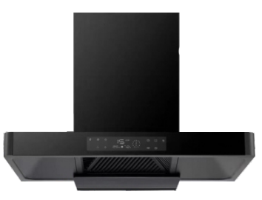 | hood | 1 | $254.40 | $254.40 |  | 
9 |  | 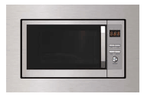 | microwave | 1 | $233.20 | $233.20
10 |  | 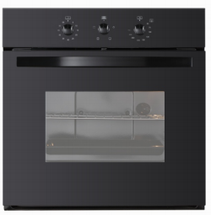 | oven | 1 | $298.80 | $298.80 |  | 
Kitchen IN USD |  |  |  |  | $8,900.00
ALL CABINETS TOTAL IN USD: |  |  |  |  | $9,100.00
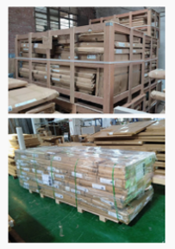 WOODEN PACKAGE IN USD: |  |  |  |  | $200.00
50% DEPOSIT IN USD: |  |  |  |  | $4,550.00
BALANCE IN USD: |  |  |  |  | $4,550.00
Notes.
1.Delivery Term: EXW
2.Payment terms: 50% deposit by T/T after confirming the P/I.The balance by T/T before loading.100% payment if enough stock.
3.Order lead time: Within 40-50 days after receipt of deposit or payment
4.Packing: wooden box/carton
5.The goods are delivered indoors in Foshan

